Sandbed
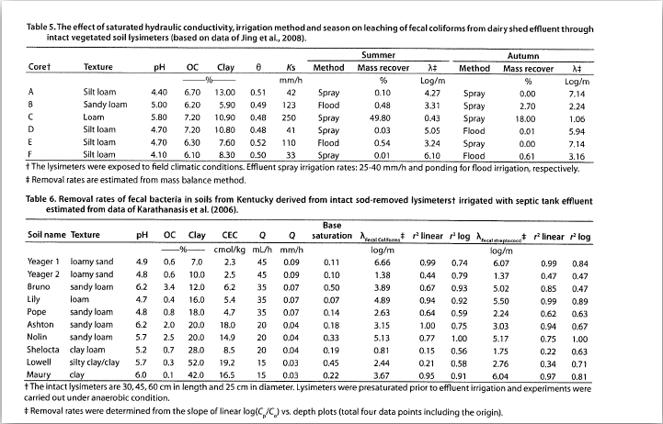
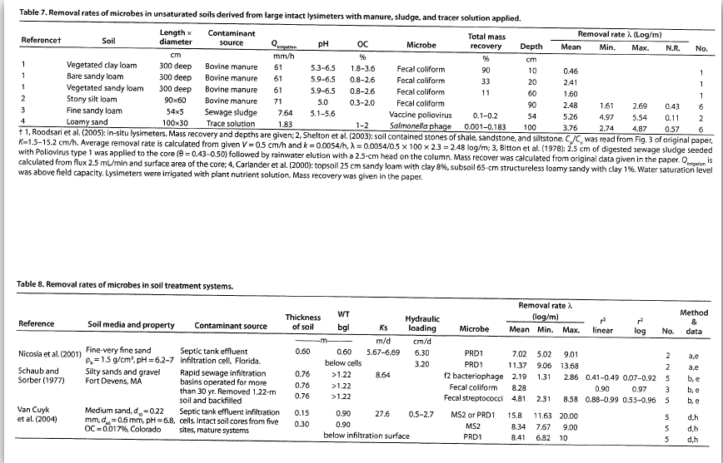
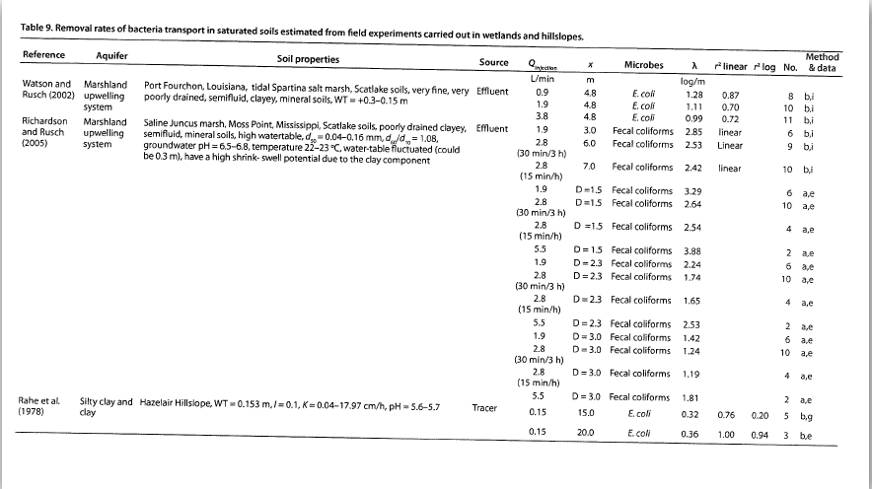
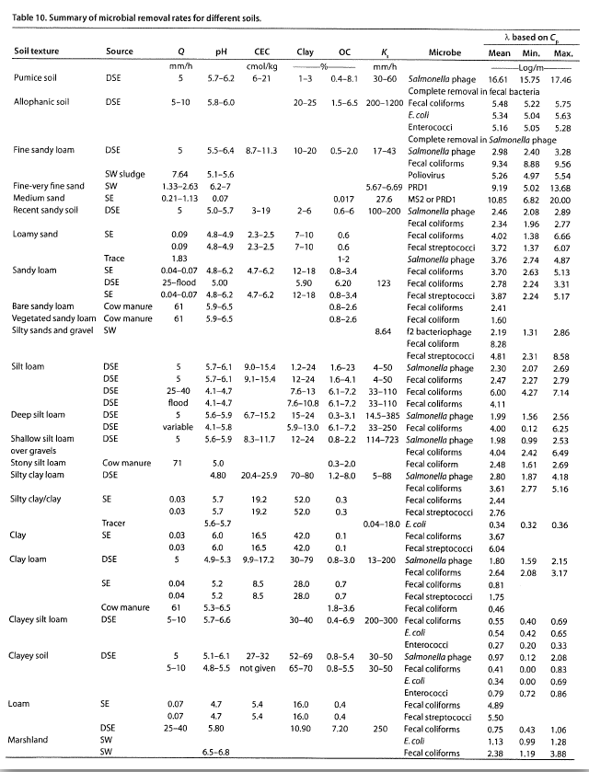
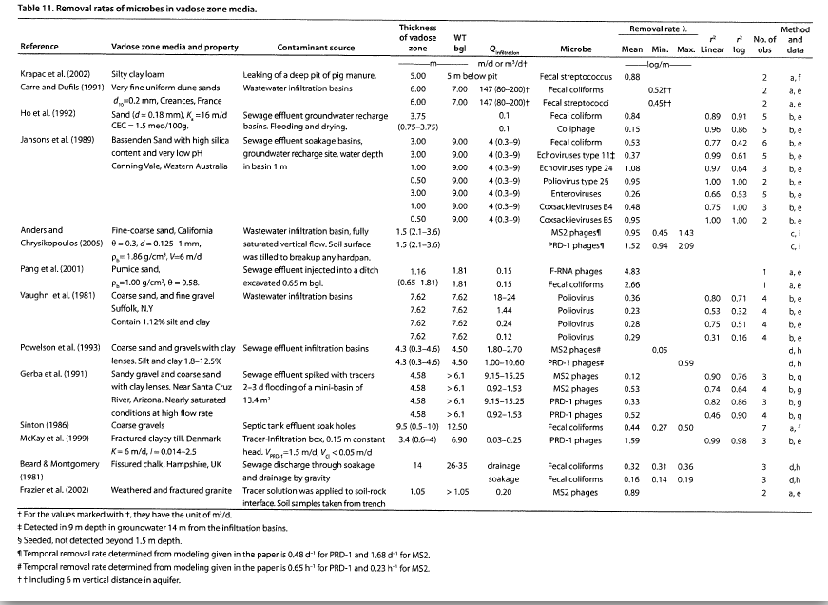
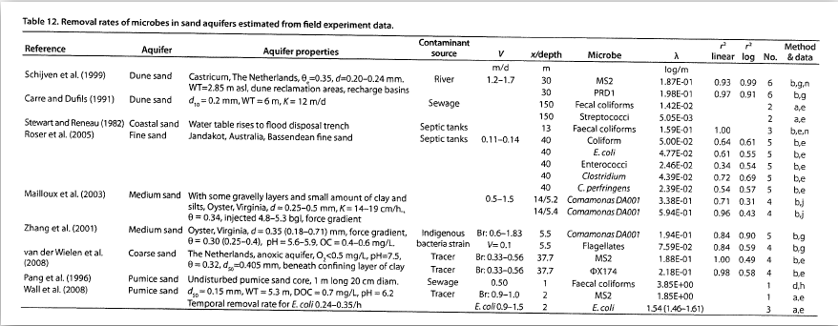
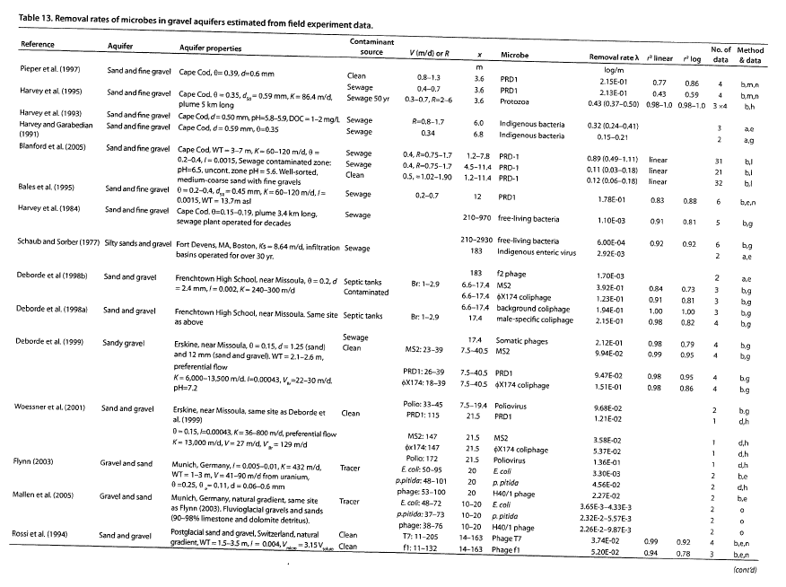
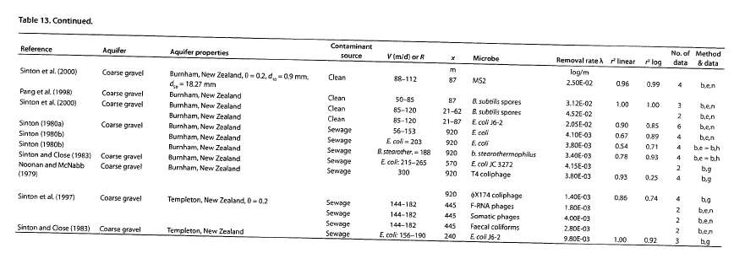
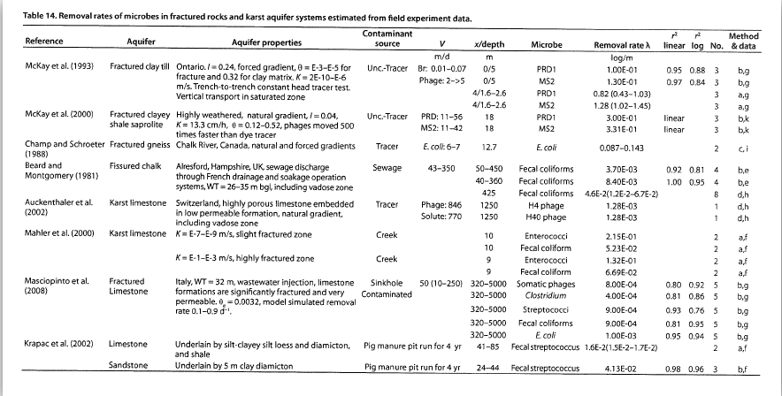
Microbial Removal in Subsurface Media

Marriott-Haugh, McGrath Road Ashburton

Contaminant source | On-site treatment system - Single Pass Bottomless Sand Trench
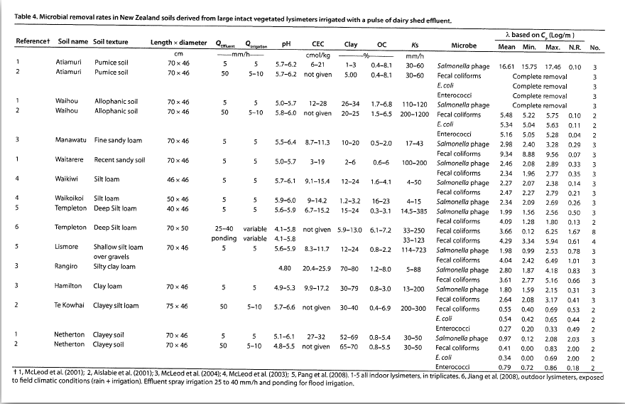

Subsurface Media | Description | Depth/Length (m) | Removal Rate (log/m) | Total Log10 reduction | Source (Pang)
Soil |  |  |  | 0.0 | Table 10
Sub-soil |  |  |  | 0.0 | Table 10
Distribution material | 2A Sand | 0.6 | 7 | 4.2 | Table 8
Vadose zone | Sandy gravels | 1.1 | 0.36 | 0.4 | Table 11
Aquifer | to nearest downgradient dwelling | 78 | 0.004 | 0.3 | Table 12

Total Microbial Log10 Reduction |  |  |  | 4.9
Percentage reduction |  |  |  | 99.999%

Notes
Assumes 2 metres from land treatment system to the downgradient boundary
Minimum separation distance to groundwater of 500 mm

