Sandbed
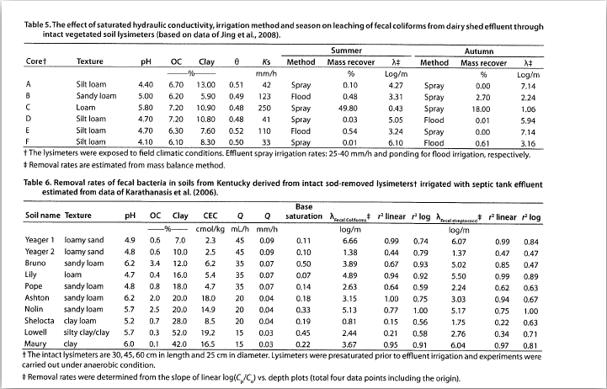
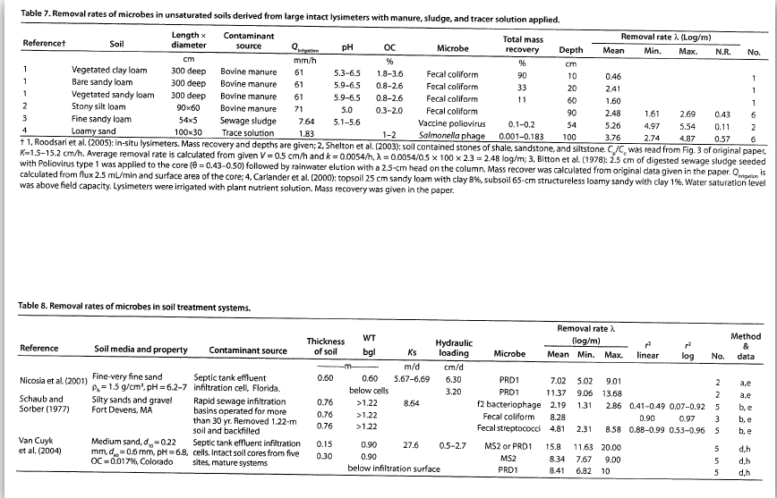
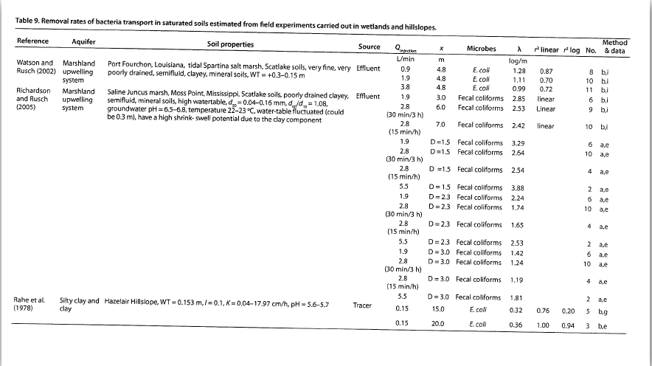
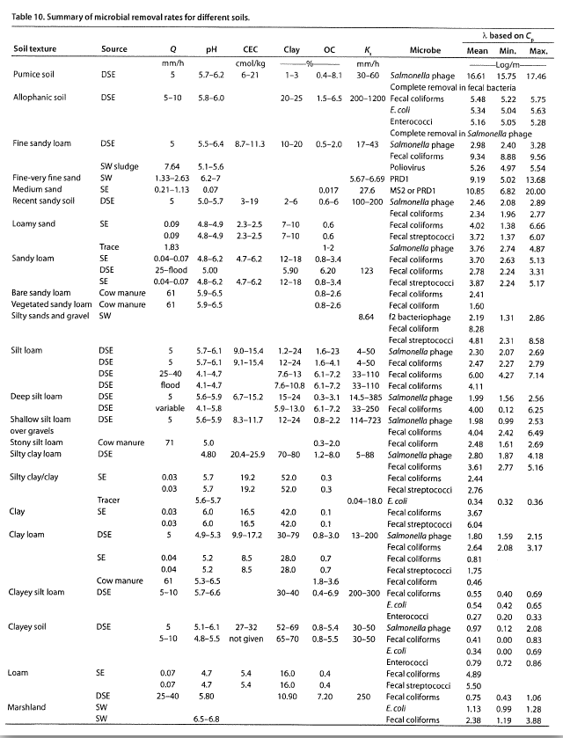
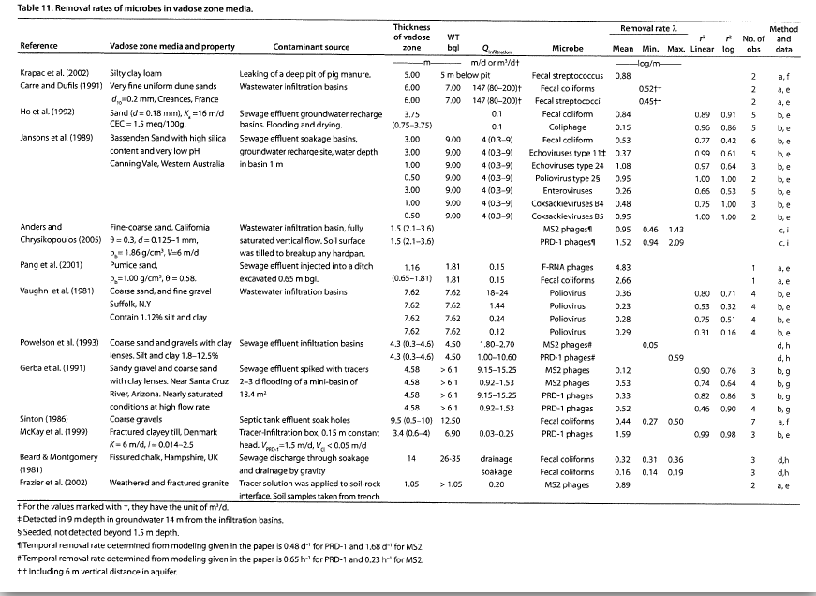
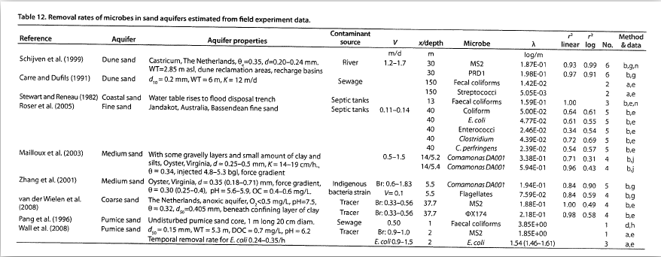
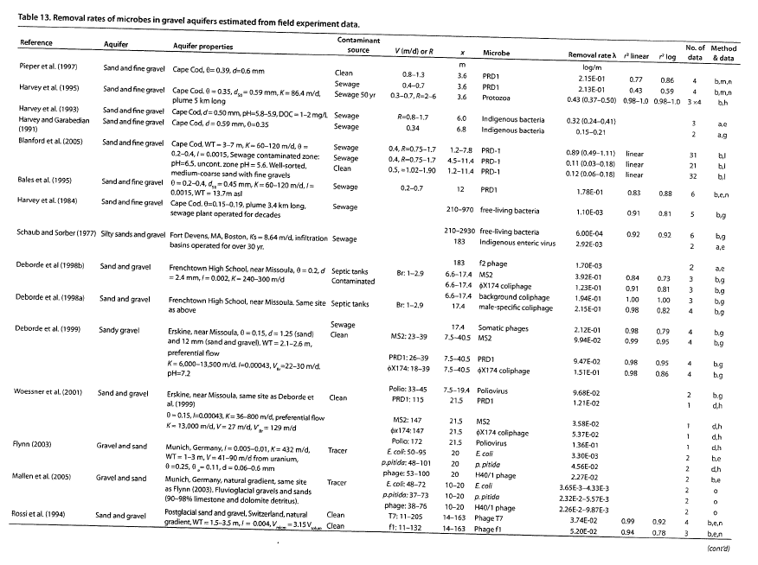
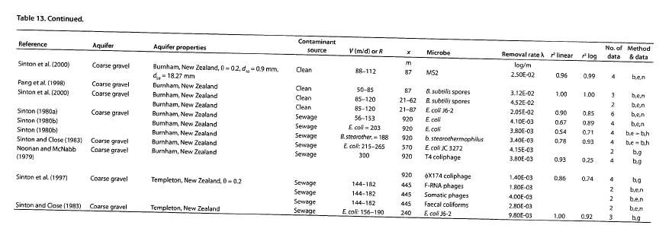
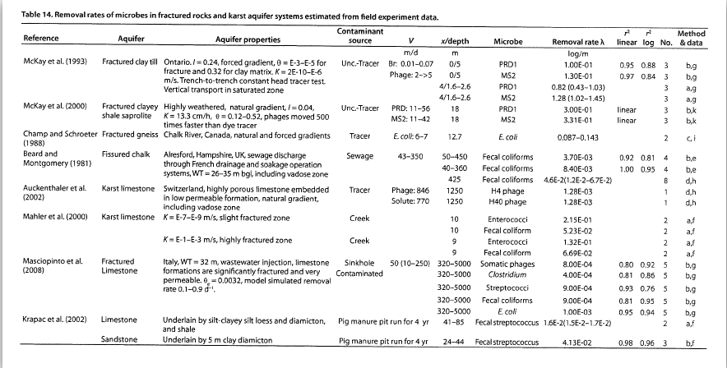
Microbial Removal in Subsurface Media

Marriott-Haugh, McGrath Road Ashburton

Contaminant source | On-site treatment system - AES Recirculating Sand Filter to Sand Bed LAS
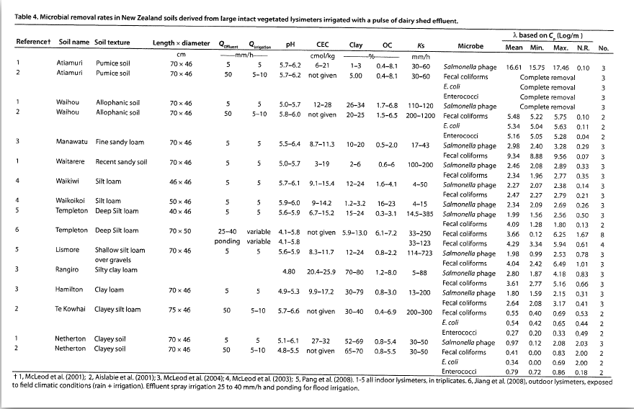

Subsurface Media | Description | Depth/Length (m) | Removal Rate (log/m) | Total Log10 reduction | Source (Pang)
Soil |  |  |  | 0.0 | Table 10
AES-R sand bed | 2A Sand (single pass, will pass 5X) |  | 4.2 | 0.0 | Table 10
LAS Sand bed | 2A Sand | 0.6 | 4.2 | 2.5 | Table 8
Vadose zone | Sandy gravels | 1.1 | 0.36 | 0.4 | Table 11
Aquifer | to nearest downgradient dwelling | 78 | 0.004 | 0.3 | Table 12

Total Microbial Log10 Reduction |  |  |  | 3.2
Percentage reduction |  |  |  | 99.941%

Notes
Assumes 78 metres from land treatment system to the nearest down gradient bore
Minimum separation distance to groundwater of 500 mm

